1. Title Page
[Project Name]

Project Name: Instacart Basket Analysis
Date: 25/11/22
Analyst Name: Zunair Rana

Contents:
Population Flow
Consistency checks
Wrangling steps
Column derivations
Visualizations
Recommendations

2. Population Flow
Title page

Population flow

Exclusion flag
Condition: max_order <
Obervations to be removed:
Final total count of order_products_all:

Orders_products_combined
Orders_products_merged
Orders_products_all

Total: 32404859
Total: 32434489
Total: 32404859

1.) The grey boxes in the first row of the population flow represent the original data sets as they were when you downloaded them. In the Total fields you need to add the count of the rows when you imported the data set into Jupyter.
2.) The second row of boxes (coloured) represents the data sets after you manipulated them, e.g., removed missing values and duplicates. In the Total fields you need to add the count of the rows after conducting these operations. This offers a visual oveview of how the data flows throughout the data consistency checks.
3.) The third row, where also the arrows are coloured, represents the merges you performed between the datasets. In the Total fields you need to add the count of the rows in the merged datasets, so that you end up with the final dataset (in the red box). Keep in mind the final dataset should be without exclusions (based on the exclusion flag).

3. Consistency checks
 |  |  |  | Title page
Consistency checks

Dataset | Missing values | Missing values treatment | Duplicates
orders | 206209 'days_since_prior_order | Left as is, indicates first order by customer | No duplicates found
products | 16 'product_name' | Removed | 5 (removed)
orders_products_prior | None | No missing values | None
customers | 11259 'first_name' | Left as is, first name data not required as we have user_id | No duplicates found

4. Wrangling steps
 |  |  |  |  | Title page
Wrangling steps

Data set | Columns dropped | Columns renamed | Columns' type changed | Comment/Reason
 | eval_set from orders |  |  | information not needed
Orders
 |  |  | order_id from orders | from int to str as numerical analysis not required
 |  |  | user_id from orders | from int to str as numerical analysis not required

Departments |  |  |  | Transposed and added header

 |  | Gender |  | gender
Customers |  | Age |  | age
 |  | n_dependents |  | no_of_dependants
 |  |  | user_id | Changed from int to str as the user_id is common colum used to merge dataframes

5. Column derivations
 |  |  |  | Title page

Column derivations and aggregations

In this tab you should add tables below that the frequences of flags/label variables that you produced after deriving them. NB: don't do this for continuous variables, only for flags.
Dataset | New column | Column/s it was derived from | Conditions
 | price_range_loc | price | If price <= $5, it will be labeled a “low-range product.” If price > $5 but <= $15, it will be labeled a “mid-range product.” If price > $15, it will be labeled a “high-range product.”
order_products_merged_update | Busiest_day | order_dow | if day 0 - 'busiest day', if day 4 - 'least busy', else-'regularly busy'
 | Busiest_days | order_dow | if day 0 or 1- 'busiest days', if day 4 or 3- 'least busy', else-'regularly busy'
 | Busiest_hour_of_day | order_hour_of_day | if hour of day <=16 and >=9, then 'most orders', if hour of day <5 then 'fewest orders', else - 'average orders'.
 | max_order | user_id, order_number | maximum number of orders
 | loyalty_flag | max_order | If max_order <= 10, it will be labeled a “New customer” If max_order >10 but <=40, it will be labeled a “Regular customer” If max_order >40, it will be labeled a “Loyal customer”
order_products_merged_update2 | average_price | user_id, prices | average prices of products ordered per user
 | spender_flag | average_price | If avg_price<10, it will be labeled a “Low spender” If avg_price >=10, it will be labeled a “High spender”
 | median_days_since_prior_order | user_id, days_since_prior_order | median number of days between orders per user
 | frequency_flag | median_days_since_prior_order | If median_order_frequency >20, it will be labeled a “Non-frequent customer” If median_order_frequency >10 but <=20, it will be labeled a “Regular customer” Ifmedian_order_frequency<=10, it will be labeled a “Frequent customer”
 | region | state | northeast=['Maine','New Hampshire','Vermont','Massachusetts','Rhode Island','Connecticut','New York','Pennsylvania','New Jersey'] midwest=['Wisconsin','Michigan','Illinois','Indiana','Ohio','North Dakota','South Dakota','Nebraska','Kansas','Minnesota','Iowa','Missouri'] south=['Delaware','Maryland','District of Columbia','Virginia','West Virginia','North Carolina','South Carolina','Georgia','Florida','Kentucky', 'Tennessee','Mississippi','Alabama','Oklahoma','Texas','Arkansas','Louisiana'] west=['Idaho','Montana','Wyoming','Nevada','Utah','Colorado','Arizona','New Mexico','Alaska','Washington','Oregon','California','Hawaii']
 | activity | max_order | If max order is 5 or more, flagged as 1(active) If max order is less than 5, flagged as 0 (not active)
final_instacart_dataframe | age_group | age | If customer is 25 years or younger, then Young Adult, If customer is between 26 and 64, then Adult, If customer is 65 years or older, then Senior
 | income_group | income | If income is less than 40,000, then low income, If income is 40,000 or more and less than 150,000, then middle income, If income is greater than 150,000, then high income
 | dependent_group | no_of_dependents | If customer has dependents (greater than 0), then 'has dependents'. If customer does not have dependents (0), then 'no dependents'.
 | department | department_id | data dictionary from departments_wrangled.csv
 | baby_status | department | If any order contain items from dept 'babies' then flagged 1. If not, then 0
 | pet_status | department | If any order contain items from dept 'pets' then flagged 1. If not, then 0
 | alcohol_status | department | If any order contain items from dept 'alcohol' then flagged 1. If not, then 0

6. Visualizations
 |  |  | Title page

Visualisations

In this tab you should include all the visualtions from Exercises 4.9 and 4.10, alongside the questions from the project brief that they answer. Include any commentary on the relationship between different variables.

Task 4.9

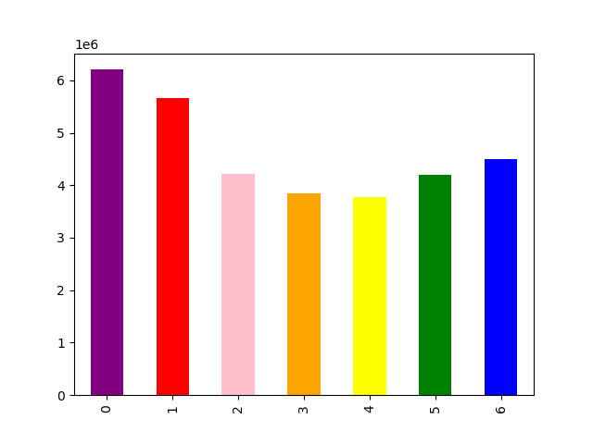


 | Legend
 | 0 | Saturday
 | 1 | Sunday
 | 2 | Monday
 | 3 | Tuesday
 | 4 | Wednesday
 | 5 | Thursday
 | 6 | Friday

This bar chart represents the busiest days of the week. This is determined by how many orders are placed each day. The highest amount of orders are placed on Saturday, Sunday and Friday.
This histogram represents the busiest hours per day. This is determined by the frequency of orders placed each hour. The highest amount of orders are placed between 10:00 AM and 16:00 PM.





This line chart shows the average price of products purchased throughout the day. The most expensive products are purchased from 00:00 AM to 07:00 AM.
This scatterplot shows income by age. We can see that customers over the age of 40 have more purchasing power as they are more likely to earn over $200,000, yet there is still a considerable number of under 40s who earn between $200,000 and $400,000 which is more than the mojority of over 40s.
This histogram represents the distribution of prices within the products Instacart offers. Products were sorted into low-range, mid-range and high-range product categories. The highest priced items were $25.

Task 4.10

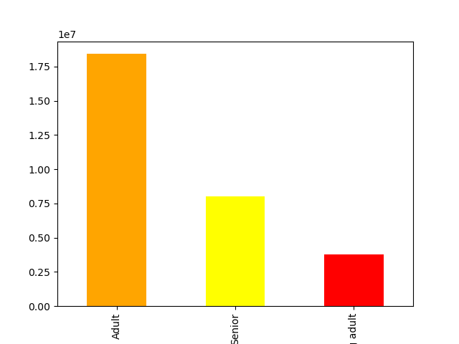
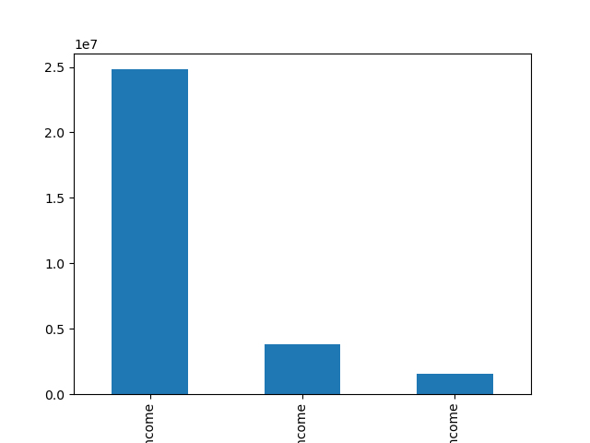

The majority of Instacarts customers are considered Adult (between the ages of 26 and 40). Seniors (> 40) are the secong largest group with young adults (< 25) making up the least amount of instacart users. We could therefore reccomend campaigns aimed at under 25s.
The majority of the customer based are considered middle income (having a salary between $40,000 and $150,000). High income earners are the second largest group and low income earners the smallest. Based on this chart we could reccomend more campagins aimed at high income groups.

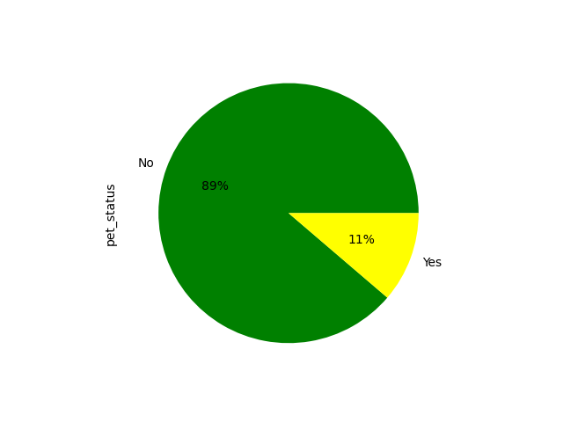
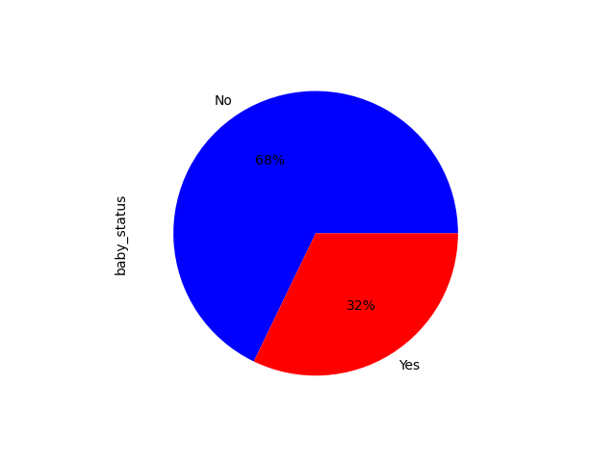
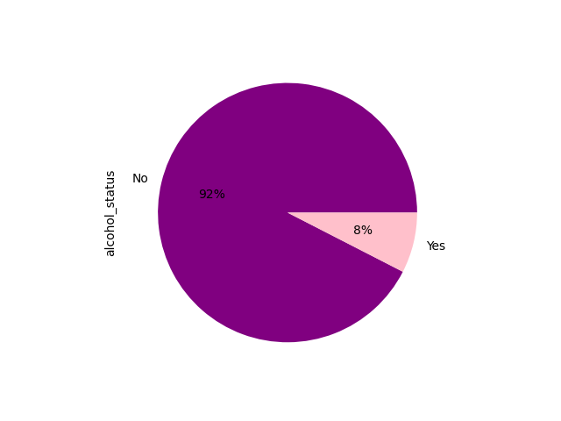

This pie chart shows the percentage of customers who have purchased pet supplies. 89% = Have not purchased pet supplies 11% = Have purchased pet supplies.
This pie chart shows the percentage of customers who have purchased baby supplies. 68% = Have not purchased baby supplies 32% = Have purchased baby supplies
This pie chart shows the percentage of customers who have purchased alcohol. 92% = Have not purchased alcohol 8% = Have purchased alcohol

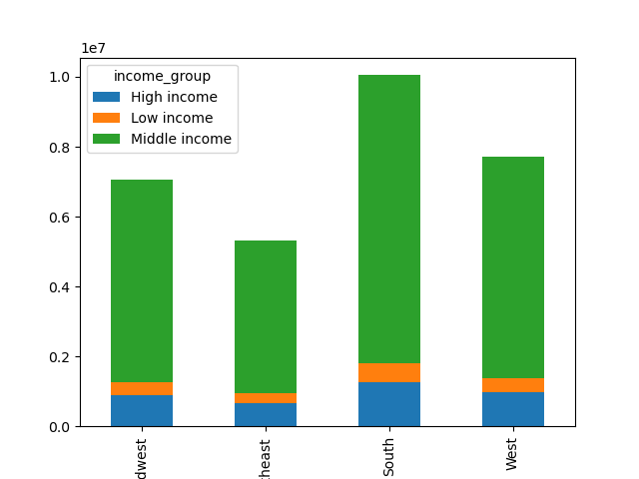
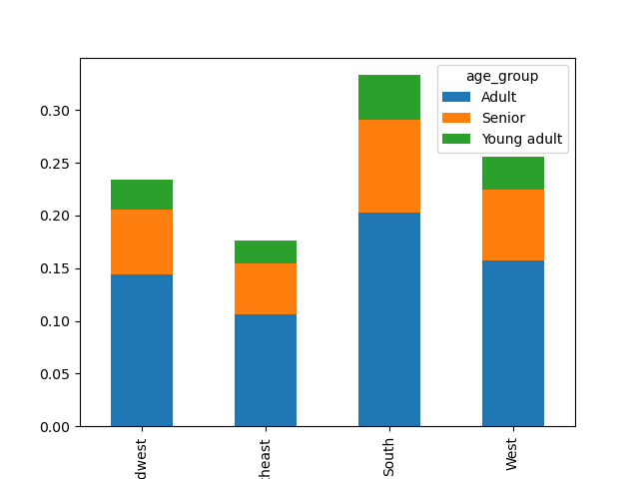

When analyzing the Instacart customer base by region, it was determined that the South has both the highest number of Instacart customers as well as contributing the highest amount of revenue. Within the South, the majority of the customers are considered middle age.

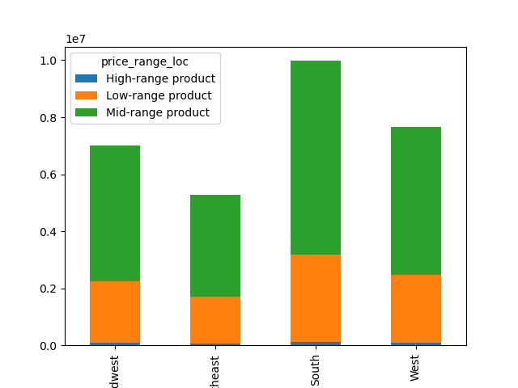
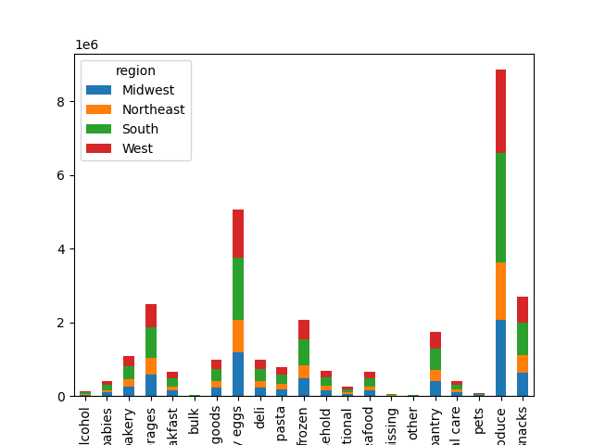

The produce department is the most popular department amoungst all regions, and within that department the Southern and Western region make up the bulk of customers.

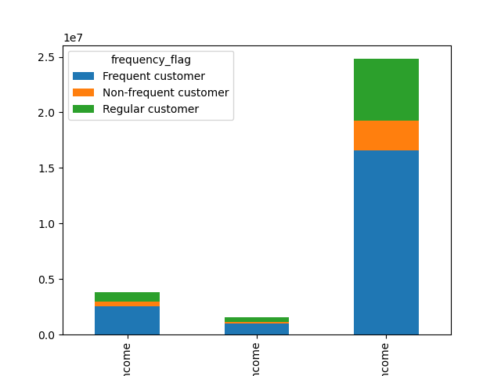
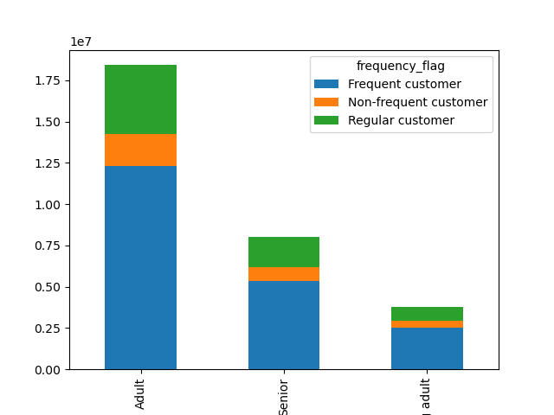

Middle income earners and adults (26-40) make up the largest proportion of orders and conversely low income young adults make up the least number of orders.



No clear relationship between age and number of dependents.

7. Recommendations
 |  | Title page

Recommendations

In this tab you should include any recommendations you would made to Instcart in terms of their marketing strategy based on the questions posed in the brief. Every key question has been covered in the Tasks of the Exercises - here you need to add an item - a visualisation or table/crosstable that is showing the answer in the data, acompanied by a comment from you. Please, list the questions below and add the answer underneath.

Question | Answer

When is the best time to run ads?
The busiest days of the week are Saturday, Sunday and Friday which makes sense as this is when most people stock up on grocery supllies. Ad vertising should therefore be focused on the mid-week as this is when people are least likely to think about grocery shopping.

When is the most money spent?
Looking at the busiest hours of the day, we could assume most money is spent between 10 AM and 4 PM. This would be wrong as we can tell from the prices/ order hours of the day line chart that items purchased at this time are relatively cheap compared to the items sold between midnight and 7 AM. Although there is a low volume of sales from midnight to 7 AM, the items being purchased are relatively high in price. It would therefore make sense to advertise pricier items during this time period.

Which department has the most orders?
The top 5 departments by order frequency are; produce, dairy eggs, snacks, beverages and frozen. The least popular departments by order frequency are alcohol, pet supplies and bulk. Reccomend increased marketing for least popular departments.

What different classifications does the demographic information suggest? Age? Income? Certain types of goods?
Young adults represent the samllest group in the instacart database in terms of order frequency. We should try to increase usership amognst young adults, especially those who earn > $150000. This could lead to long term gains.

What differences can you find in ordering habits of different customer profiles?
Create department specific ads as these will be most successful when targeting customers who have a history of purchasing from particular departments. Baby supplies, pet supplies and alcohol are generally for niche groups, creating ads for these customers may increase order history.

